startUp Page
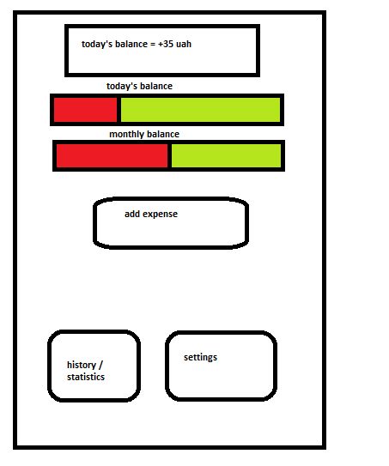
money saved / lost this month so far (this is green if the money is saved from previous days - red, if the money is lost)
in case the money is lost, show an icon that once clicked will ask the user if he wants to recount the following days daily budget

today's budget status in % and money equivalent

this month's budget status in % and money equivalent

History, Statistics page
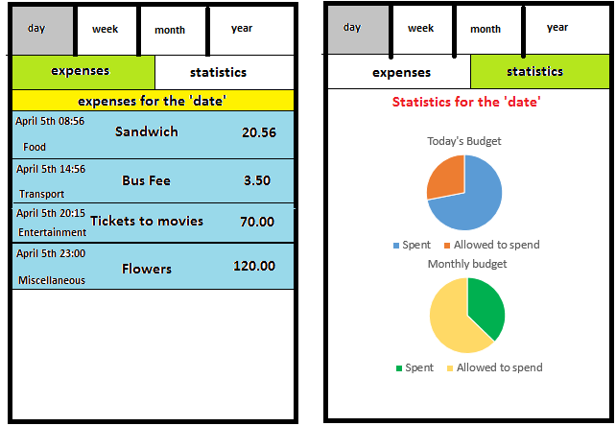

a date should just go here

no need for showing this, it should be just showed once. At the top

add an expense button should also go here

Add Expense
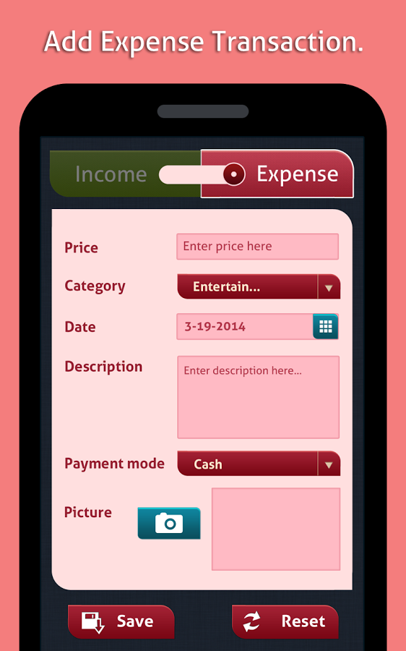

fields | all fields must be editable
date
amount
category
description
payment method

